RACI Matrix
RACI Matrix Template

Role
Project Deliverable
(or Activity)
 | Project Leadership |  |  |  |  | Project Team Members |  |  |  |  | Project Sub-Teams |  |  |  |  | External Contributors
 | Role #1 | Role #2 | Role #3 | Role #4 | Role #5 | Role #1 | Role #2 | Role #3 | Role #4 | Role #5 | Role #1 | Role #2 | Role #3 | Role #4 | Role #5 | Role #1 | Role #2 | Role #3 | Role #4 | Role #5

Define Phase Activities

Measure Phase Activities

Analyze Phase Activities

Improve Phase Activities

Control Phase Activities

Instructional Notes for the RACI Matrix:

The RACI Matrix is a powerful tool to assist in the identification of roles and assigning of cross-functional responsibilities to a project deliverable or activity. RACI represents: R - Responsibility, A - Accountable, C - Consulted, and I - Informed RACI Definitions: Responsibility = person or role responsible for ensuring that the item is completed Accountable = person or role responsible for actually doing or completing the item Consulted = person or role whose subject matter expertise is required in order to complete the item Informed = person or role that needs to be kept informed of the status of item completion

Simply place an R, A, C, I or any appropriate combination in each of the applicable roles for each activity Each Activity should have at least one individual Accountable while there may be shared responsibilities depending on the activity.

Variables GRR
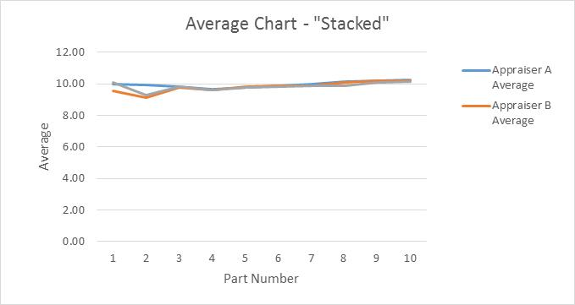
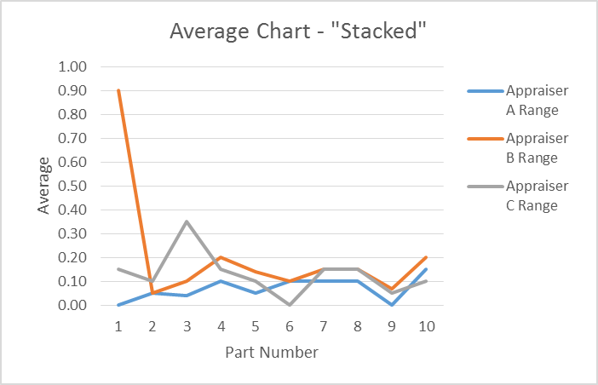
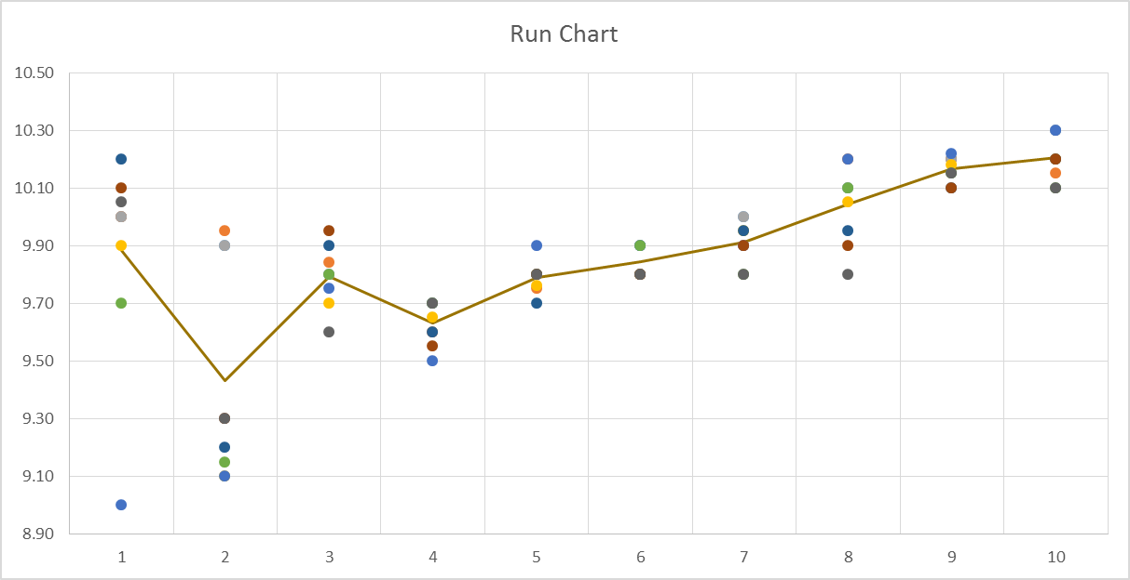
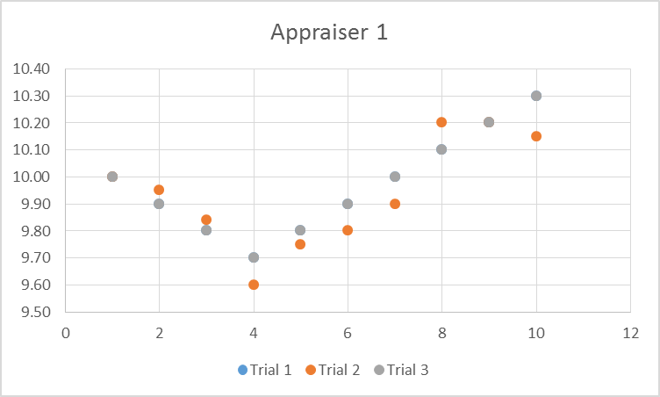
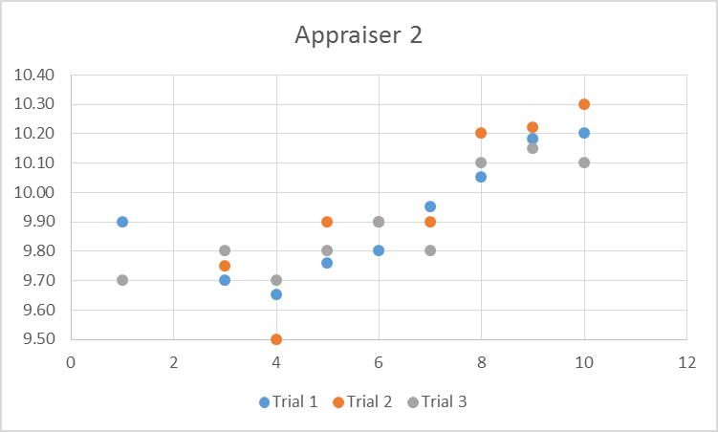
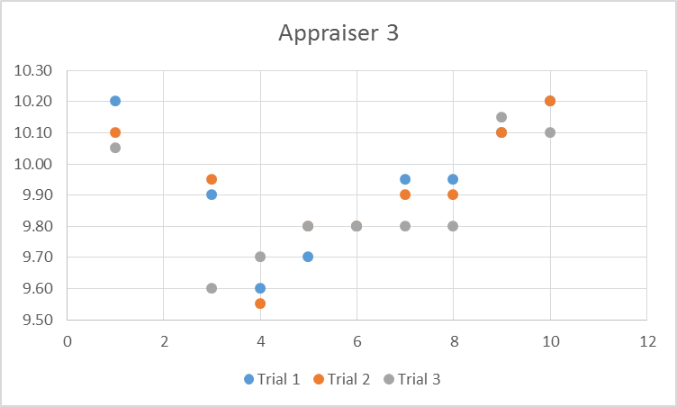
GAGE REPEATABILITY AND REPRODUCIBILITY DATA SHEET |  |  |  |  |  |  |  |  |  |  |  |  | GAGE REPEATABILITY AND REPRODUCIBILITY DATA SHEET
VARIABLE DATA RESULTS |  |  |  |  |  |  |  |  |  |  |  |  | VARIABLE DATA RESULTS

Part Number |  |  |  |  | Gage Name |  |  |  | Appraiser A |  |  |  | Part Number |  |  | Gage Name |  |  |  | Appraiser A

Part Name |  |  |  |  | Gage Number |  |  |  | Appraiser B |  |  |  | Part Name |  |  | Gage Number |  |  |  | Appraiser B

Characteristic |  |  | Specification |  | Gage Type |  |  |  | Appraiser C |  |  |  | Characteristic |  |  | Gage Type |  |  |  | Appraiser C

Characteristic Classification |  |  |  |  | Trials |  | Parts |  | Appraisers |  | Date Performed |  | Characteristic Classification |  |  | Trials |  | Parts |  | Appraisers |  | Date Performed

APPRAISER/ |  | PART |  |  |  |  |  |  |  |  |  | AVERAGE |  |  |  | Measurement Unit Analysis |  |  |  | % Tolerance (Tol)
TRIAL # |  | 1 | 2 | 3 | 4 | 5 | 6 | 7 | 8 | 9 | 10 |  | Repeatability - Equipment Variation (EV)
1. A | 1 |  |  |  |  |  |  |  |  |  |  |  | EV | = | R x K1 |  |  | Trials | K1 | % EV | = | 100 (EV/Tol)
2 | 2 |  |  |  |  |  |  |  |  |  |  |  |  | = |  |  |  | 2 | 0.8865 |  | =
3 | 3 |  |  |  |  |  |  |  |  |  |  |  |  | = |  |  |  | 3 | 0.5907 |  | =
4 | AVE |  |  |  |  |  |  |  |  |  |  | xa= | Reproducibility - Appraiser Variation (AV)
5 | R |  |  |  |  |  |  |  |  |  |  | ra= | AV | = | {(xDIFF x K2)2 - (EV2/nr)}1/2 |  |  |  |  | % AV | = | 100 (AV/Tol)
6. B | 1 |  |  |  |  |  |  |  |  |  |  |  |  | = |  |  |  |  |  |  | =
7 | 2 |  |  |  |  |  |  |  |  |  |  |  |  | = |  |  |  |  |  |  | =
8 | 3 |  |  |  |  |  |  |  |  |  |  |  |  |  |  |  | Appraisers | 2 | 3
9 | AVE |  |  |  |  |  |  |  |  |  |  | xb= | n = parts r = trials |  |  |  | K2 | 0.7087 | 0.5236
10 | R |  |  |  |  |  |  |  |  |  |  | rb= | Repeatability & Reproducibility (GRR) |  |  |  |  |  |  | % GRR | = | 100 (GRR/Tol)
11. C | 1 |  |  |  |  |  |  |  |  |  |  |  | GRR | = | {(EV2 + AV2)}1/2 |  |  | Parts | K3 |  | =
12 | 2 |  |  |  |  |  |  |  |  |  |  |  |  | = |  |  |  | 2 | 0.7087 |  | =
13 | 3 |  |  |  |  |  |  |  |  |  |  |  |  | = |  |  |  | 3 | 0.5236
14 | AVE |  |  |  |  |  |  |  |  |  |  | xc= | Part Variation (PV) |  |  |  |  | 4 | 0.4464
15 | R |  |  |  |  |  |  |  |  |  |  | rc= | PV | = | RP x K3 |  |  | 5 | 0.4032 | % PV | = | 100 (PV/Tol)
16. PART |  |  |  |  |  |  |  |  |  |  |  | X= |  | = |  |  |  | 6 | 0.3745 |  | =
AVERAGE |  |  |  |  |  |  |  |  |  |  |  | Rp= |  | = |  |  |  | 7 | 0.3534 |  | =
17 | (ra + rb + rc) / (# OF APPRAISERS) = |  |  |  |  |  |  |  |  |  |  | R= | Tolerance (Tol) |  |  |  |  | 8 | 0.3378
18 | xDIFF = (Max x - Min x) = |  |  |  |  |  |  |  |  |  |  | xDIFF= | Tol | = | Upper - Lower |  |  | 9 | 0.3247 | ndc | = | 1.41(PV/GRR)
19 | * UCLR = R x D4 = |  |  |  |  |  |  |  |  |  |  | UCLR= |  | = | 0.00 |  |  | 10 | 0.3145 |  | =
 |  |  |  |  |  |  |  |  |  |  |  |  |  | = | 0.000 |  |  |  |  |  | = | 3
* D4 =3.27 for 2 trials and 2.58 for 3 trials. UCLR represents the limit of individual R's. Circle those that are |  |  |  |  |  |  |  |  |  |  |  |  |  |  |  |  |  |  |  | Gage discrimination low
beyond this limit. Identify the cause and correct. Repeat these readings using the same appraiser and unit as originally used or
discard values and re-average and recompute R and the limiting value from the remaining observations. |  |  |  |  |  |  |  |  |  |  |  |  | For information on the theory and constants used in the form see MSA Reference Manual, Third edition.

Notes:

Project Prioritization Matrix
Project Prioritization Matrix
 | #REF!
0 | 0
0 | 0
0 | 0
0 | 0
0 | 0
 | Project Prioritization Matrix
# | Project | Cost | Benefits
1 | Project 1 | $100 | $1,000
2 | Project 2 | $200 | $1,500
3 | Project 3 | $150 | $5,000
4 | Project 4 | $50 | $500
5 | Project 5 | $500 | $550
6
7
8
9
10

